sheet1
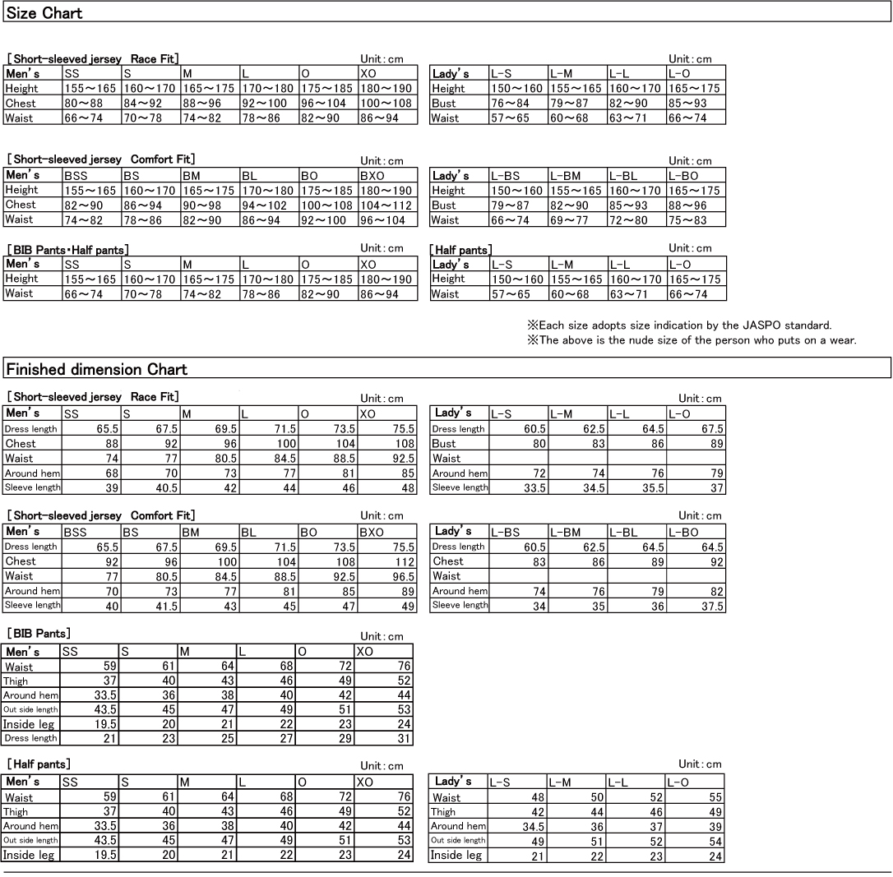
0 | 0 | 0 | 0 | 0 | 0 | 0 | 0 | 0 | 0 | 0 | 0 | 0 | 0 | 0 | 0 | 0 | 0 | 0 | 0 | 0 | 0 | 0 | 0 | 0 | 0 | 0 | 0 | 0 | 0 | 0 | 0 | 0 | 0 | 0 | 0 | 0 | 0 | 0 | 0 | ¥0 | EOL
 | Application form "2016 Hokkaido 1200 Jersey"

 |  | Pleasend this application form to ⇒Mr.Kumasaka, AJ Hokkaido |  |  |  |  |  |  | k1953spk@gmail.com

 |  | 【How to purchase】 |  | Please fill up the following *mark cells
 |  | ①Please fill up the following application form and send to Mr.Kumasaka by May 8th, 2016. |  |  |  |  |  |  |  | k1953spk@gmail.com
 |  | ②You can't cancell nor change the quantity&sizes after sending the application..
 |  | ③You can receive your jerseys at check-in place on July 14, 2016, between 15:00 and 18:00 .
 |  | ④Pleasey pay the jersey fee by Japanese Yen without changes at check-in place when you receive jerseys.
 |  | ⑤If you want to buy your friends or family jerseys, please pay and receive by yourselves.
 |  | ⑥Plese pay attention without any mistakes the types, sizes and quantity befoere click sending e-mail.

 |  | Name *

 |  | Date of birtf *

 |  | Address *

 |  | Cell phone number *

 |  | 【Men's】 |  |  |  |  |  | 【Lady's】
 |  |  |  | size | Q'ty |  |  |  |  | size | Q'ty
 |  | Short-sleeved jersey |  | XO | 0 | ¥0 |  | Short-sleeved jersey |  | O | 0 | ¥0
 |  | Race Fit |  | O | 0 | ¥0 |  | Race Fit |  | L | 0 | ¥0
 |  | JPY 6,900 |  | L | 0 | ¥0 |  | JPY 6,900 |  | M | 0 | ¥0
 |  |  |  | M | 0 | ¥0 |  |  |  | S | 0 | ¥0
 |  |  |  | S | 0 | ¥0 |  | Short-sleeved jersey |  | O | 0 | ¥0
 |  |  |  | SS | 0 | ¥0 |  | Comfort Fit |  | L | 0 | ¥0
 |  | Short-sleeved jersey |  | XO | 0 | ¥0 |  | JPY 6,900 |  | M | 0 | ¥0
 |  | Comfort Fit |  | O | 0 | ¥0 |  |  |  | S | 0 | ¥0
 |  | JPY 6,900 |  | L | 0 | ¥0 |  | Half pants |  | O | 0 | ¥0
 |  |  |  | M | 0 | ¥0 |  | JPY 7,400 |  | L | 0 | ¥0
 |  |  |  | S | 0 | ¥0 |  |  |  | M | 0 | ¥0
 |  |  |  | SS | 0 | ¥0 |  |  |  | S | 0 | ¥0
 |  | BIB Pants |  | XO | 0 | ¥0
 |  | JPY 9,500 |  | O | 0 | ¥0
 |  |  |  | L | 0 | ¥0
 |  |  |  | M | 0 | ¥0
 |  |  |  | S | 0 | ¥0
 |  |  |  | SS | 0 | ¥0
 |  | Half pants |  | XO | 0 | ¥0
 |  | JPY 7,400 |  | O | 0 | ¥0
 |  |  |  | L | 0 | ¥0
 |  |  |  | M | 0 | ¥0
 |  |  |  | S | 0 | ¥0 |  |  |  | JPY 0
 |  |  |  | SS | 0 | ¥0 |  | The sum total

